Sheet1
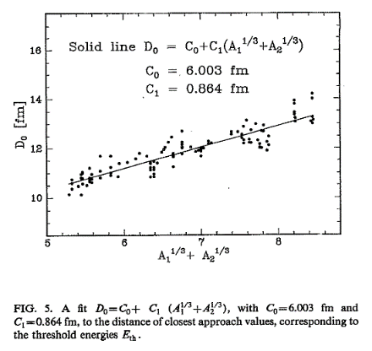
Non‐Rutherford cross sections in heavy ion elastic recoil
spectrometry: 40–70 MeV 32S ions on carbon, nitrogen, and
oxygen 
J. Räisänen; E. Rauhala; J. M. Knox; J. F. Harmon
Journal of Applied Physics 75, 3273–3277 (1994)
Note: their equation for Eth has M1M2 not M1/M2

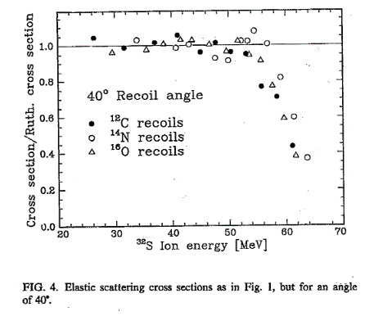
IBA INPUT GRID |  | Z | M
Projectile= |  | 6 | 12
Target= |  | 79 | 197 |  | 1.7777777778
Reaction Product= |  | 79 | 197
E/amu= | 15
Incident Energy= |  |  | 180
Angle= |  |  | 45 | degrees

M1^1/3+M2^1/3 | 8.1080763526 | amu^1/3 |  | 57.324840764
Do | 13.008377969 | fm

Eth= | 67.225102841 | MeV

E-Ar TAMU | 600 MeV | so XS very nonRutherford and much smaller

